TUR
International Migration Outlook 2019 - © OECD 2019
Chapter 5 | Turkey: Recent trends in migrants' flows and stocks
Version 1 - Last updated: 14-Oct-2019
Disclaimer: http://oe.cd/disclaimer

Turkey | Turks | TR | TUR | Group | 4 |  |  |  |  |  |  |  |  |  | Country
 | Key figures on immigration and emigration - Turkey

 |  |  |  |  |  |  |  |  |  |  |  |  |  |  |  | 2017
 |  |  |  |  |  |  |  |  |  |  |  |  |  |  | Work | .. |  | New_Imm_P_Y_WRK |  | 1
 |  |  |  |  |  |  |  |  |  |  | Permit_WHM | Permit_WHM_% |  |  | Accompanying family of workers | .. |  | New_Imm_P_Y_ACC |  | 2
 |  |  |  |  |  |  |  |  |  |  | Permit_SEA | Permit_SEA_% |  |  | Family | .. |  | New_Imm_P_Y_FAM |  | 3
 |  |  |  |  |  |  |  |  |  |  | Permit_ICT | Permit_ICT_% |  |  | Humanitarian | .. |  | New_Imm_P_Y_HUM |  | 4
 |  |  |  |  |  |  |  |  |  |  | Permit_OTH | Permit_OTH_% |  |  | Other | .. |  | New_Imm_P_Y_OTH |  | 5
 |  |  |  |  |  |  |  |  |  |  |  |  |  |  | Free movements | .. |  | New_Imm_P_Y_FRE
 |  |  |  |  |  |  |  |  |  |  |  |  |  |  |  | 0

 |  |  |  |  |  |  |  |  |  |  | Permit_STU | Permit_STU_%
 |  |  |  |  |  |  |  |  |  |  | Permit_TRA | Permit_TRA_%

 |  |  |  |  |  |  |  |  |  |  | Asyl_XXX_Y | Asyl_%Ch

 |  |  |  |  |  |  |  |  |  |  |  |  | Long-term immigration flows
 |  |  |  |  |  |  |  |  |  |  |  |  | (Source: OECD)
 | Inflows of top 10 nationalities (national definition) |  |  |  |  |  |  |  |  | Emigration of Turks to OECD countries (national definition)

 |  |  |  |  |  |  |  |  |  |  |  |  |  |  |  |  |  |  |  | 0.45788492674
 |  |  |  |  |  |  |  |  |  |  |  |  |  |  |  |  |  |  |  |  | Turkey
 |  |  |  |  |  |  |  |  |  |  |  |  |  |  | Data Value | Column Labels
 |  |  |  |  |  |  |  |  |  |  |  |  |  |  |  | 2017 |  | Average 2007-16 | 2007-16 | 2017 |  | 2017 | 2007-16
 |  |  |  |  |  |  |  |  |  |  |  |  | 1 | Germany | Germany | 33.655 | Germany | 26.051 | 42.510 | 45.788 | Iraq | 3.9 | 17.5
 |  |  |  |  |  |  |  |  |  |  |  |  | 2 | United Kingdom | United Kingdom | 6 | United Kingdom | 3.333 | 5.439 | 8.163 | Afghanistan | 7.3 | 7.3
 |  |  |  |  |  |  |  |  |  |  |  |  | 3 | France | France | 4.929 | France | 5.983 | 9.763 | 6.706 | Syria | 2.9 | 6.5
 |  |  |  |  |  |  |  |  |  |  |  |  | 4 | United States | United States | 4.844 | United States | 4.329 | 7.064 | 6.590 | Azerbaijan | 8.4 | 4.3
 |  |  |  |  |  |  |  |  |  |  |  |  | 5 | Netherlands | Netherlands | 4.444 | Netherlands | 3.138 | 5.120 | 6.046 | Turkmenistan | 4.0 | 2.3
 |  |  |  |  |  |  |  |  |  |  |  |  | 6 | Austria | Austria | 3.347 | Austria | 4.261 | 6.953 | 4.554 | Uzbekistan | 1.9 | 2.3
 |  |  |  |  |  |  |  |  |  |  |  |  | 7 | Poland | Poland | 1.995 | Poland | 1.205 | 1.966 | 2.714 | Iran | 5.1 | 4.2
 |  |  |  |  |  |  |  |  |  |  |  |  | 8 | Belgium | Belgium | 1.925 | Belgium | 2.505 | 4.087 | 2.619 | Kyrgyzstan | 3.5 | 1.7
 |  |  |  |  |  |  |  |  |  |  |  |  | 9 | Switzerland | Switzerland | 1.571 | Switzerland | 1.700 | 2.774 | 2.137 | Egypt | 0.2 | 1.0
 |  |  |  |  |  |  |  |  |  |  |  |  | 10 | Sweden | Sweden | 1.549 | Sweden | 1.576 | 2.571 | 2.107 | Germany | 5.5 | 2.5
 |  |  |  | % of total inflows of foreign population |  |  | % of total emigration of Turks to OECD |  |  |  |  |  | 11 | Canada | Canada | 1.11 | Canada | 1.088
 |  |  |  |  |  |  |  |  |  |  |  |  | 12 | Spain | Spain | 1.078 | Spain | 0.561
 | Components of population growth |  |  |  |  |  | Annual remittances |  |  |  |  |  | 13 | Italy | Italy | 0.997 | Italy | 1.205
 |  |  |  |  | 2017 |  |  |  |  |  |  |  | 14 | Japan | Japan | 0.955 | Japan | 0.810
 |  |  |  |  | Per 1 000 | 2017/16 |  | Million | Annual | Share |  |  | 15 | Hungary | Hungary | 0.953 | Hungary | 0.549
 |  |  |  |  | inhabitants | % change |  | current | change | in GDP |  |  | 16 | Australia | Australia | 0.624 | Australia | 0.560
 | Total |  |  |  | 12.4 | -1.1 |  | USD | % | % |  |  | 17 | Denmark | Denmark | 0.611 | Denmark | 0.492
 | Natural increase |  |  |  | 10.8 | -0.4 | Inflows (2018) | 1139 | +8.7 | 0.2 |  |  | 18 | Czech Republic | Czech Republic | 0.6 | Czech Republic | 0.410
 | Net migration plus statistical adjustments |  |  |  | 1.6 | -0.7 | Outflows (2017) | 1063 | -5.8 | 0.1 |  |  | 19 | Korea | Korea | 0.587 | Korea | 0.359
 |  |  |  |  |  |  |  |  |  |  |  |  | 20 | Norway | Norway | 0.377 | Norway | 0.309
 | Labour market outcomes |  |  |  |  |  |  |  |  |  |  |  | 21 | Israel | Israel | 0.369 | Israel | 0.110
 |  |  |  |  |  |  |  |  |  |  |  |  | 22 | Finland | Finland | 0.325 | Finland | 0.355
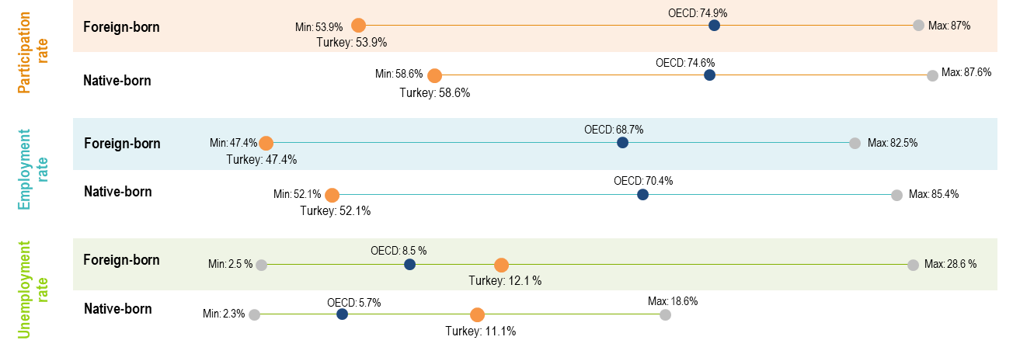
 |  |  |  |  |  |  |  |  |  |  |  |  | 23 | Luxembourg | Luxembourg | 0.231 | Luxembourg | 0.076
 |  |  |  |  |  |  |  |  |  |  |  |  | 24 | Estonia | Estonia | 0.097 | Estonia | 0.029
 |  |  |  |  |  |  |  |  |  |  |  |  | 25 | Lithuania | Lithuania | 0.089 | Lithuania | 0.047
 |  |  |  |  |  |  |  |  |  |  |  |  | 26 | New Zealand | New Zealand | 0.077 | New Zealand | 0.055
 |  |  |  |  |  |  |  |  |  |  |  |  | 27 | Slovenia | Slovenia | 0.071 | Slovenia | 0.089
 |  |  |  |  |  |  |  |  |  |  |  |  | 28 | Latvia | Latvia | 0.047 | Latvia | 0.008
 |  |  |  |  |  |  |  |  |  |  |  |  | 29 | Mexico | Mexico | 0.025 | Mexico | 0.029
 |  |  |  |  |  |  |  |  |  |  |  |  | 30 | Iceland | Iceland | 0.01 | Iceland | 0.006
 |  |  |  |  |  |  |  |  |  |  |  |  | 31 | Slovak Republic | Slovak Republic | 0.009 | Slovak Republic | 0.011
 |  |  |  |  |  |  |  |  |  |  |  |  | 32 | Portugal | Portugal | 0 | Portugal
 |  |  |  |  |  |  |  |  |  |  |  |  | 33 | Turkey | Turkey | 0 | Turkey
 |  |  |  |  |  |  |  |  |  |  |  |  | 34 | Greece | Greece | 0 | Greece
 |  |  |  |  |  |  |  |  |  |  |  |  | 35 | Ireland | Ireland | 0 | Ireland
 |  |  |  |  |  |  |  |  |  |  |  |  | 36 | Chile | Chile | 0 | Chile | 0.045
 |  |  |  |  |  |  |  |  |  |  |  |  |  |  | Total | 73.501 |  | 61.282

